created by Jag
RAKSHA BANDAN CELEBRATIONS ACROSS SIBLING BONDS
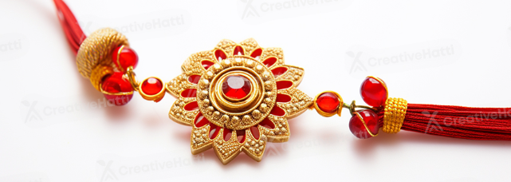
Count of Sibling Pair ID
1000

Total Siblings Celebrated
Row Labels | Count of Sibling Pair ID
2022 | 249
2023 | 264
2024 | 252
1000
2025 | 235
Grand Total | 1000 | v

Percentage by celebration location
Brother's Reaction by Percentage
Rakhi Tying Speed by Year
Row Labels | Count of Sibling Pair ID
Cafe | 161
College Hostel | 182
Home | 158
Mall | 155
Office | 163
Online Video Call | 181
Grand Total | 1000

Row Labels | Count of Sibling Pair ID
Excited | 26.72%
Happy | 25.63%
Joyful | 22.34%
Sentimental | 25.31%
Grand Total | 100.00%

Celebration of Sibling by Year

Top Sister''s Emotion by Percentage
Row Labels | Count of Sibling Pair ID
Excited | 19.53%
Grateful | 19.28%
Happy | 19.04%
Shocked | 22.50%
Surprised | 19.65%
Grand Total | 100.00%

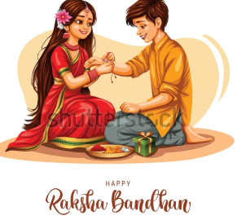
Row Labels | Average of Rakhi Tying Speed (sec)
2022 | 30.898514056
2023 | 34.239734848
2024 | 32.157420635
2025 | 31.084893617
Grand Total | 32.14164

Row Labels | Count of Sibling Pair ID
Barfi | 151
Gulab Jamun | 149
Jalebi | 151
Number of Sweets considered for Celebration
Kaju Katli | 143
Ladoo | 127
Peda | 144
Rasgulla | 135
Grand Total | 1000

Row Labels | Count of Sibling Pair ID
Bracelet Rakhi | 126
Cartoon Rakhi | 105
Eco-friendly Rakhi | 121
Kundan Rakhi | 131
Lumba Rakhi | 108
Silver Rakhi | 144
Traditional Rakhi | 121
Zardosi Rakhi | 144
Grand Total | 1000

Bracelet Rakhi | 126
Cartoon Rakhi | 105
Eco-friendly Rakhi | 121
Kundan Rakhi | 131
Lumba Rakhi | 108
Silver Rakhi | 144
Traditional Rakhi | 121
Zardosi Rakhi | 144

Row Labels | Count of Sibling Pair ID
Books | 98
Designer Handbag | 107
Fitness Tracker | 110
Gold Ring | 92
Headphones | 106
Makeup Kit | 101
Perfume | 85
Shopping Voucher | 96
Smartphone | 100
Trip to Goa | 105
Grand Total | 1000

Books | 98
Designer Handbag | 107
Fitness Tracker | 110
Gold Ring | 92
Headphones | 106
Makeup Kit | 101
Perfume | 85
Shopping Voucher | 96
Smartphone | 100
Trip to Goa | 105

Sheet1
Count of Sibling Pair ID
182
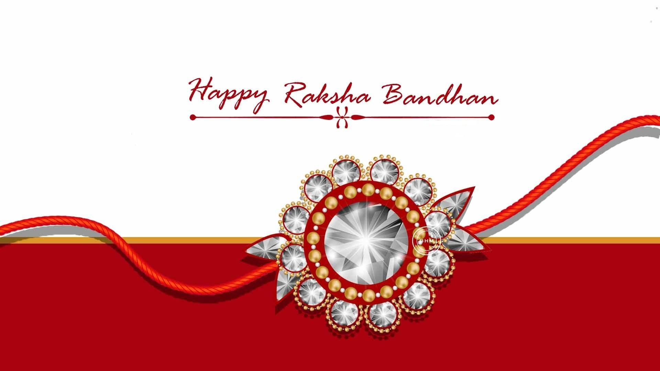
RAKSHA BANDAN CELEBRATION INSIGHTS OF SIBLINGS
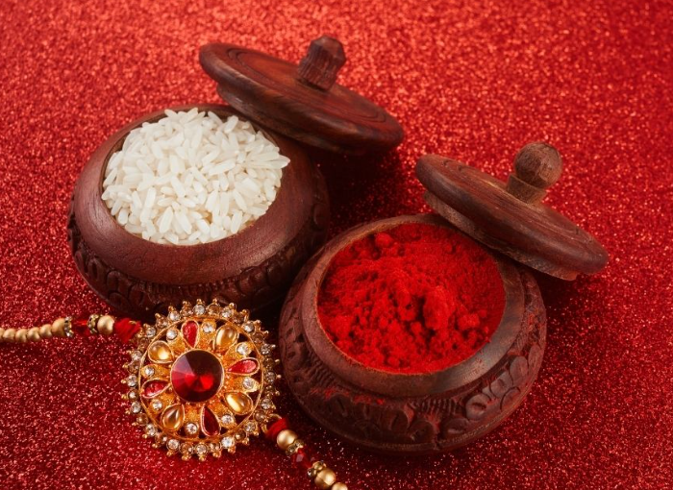

TOTAL SIBLINGS CELEBRATED
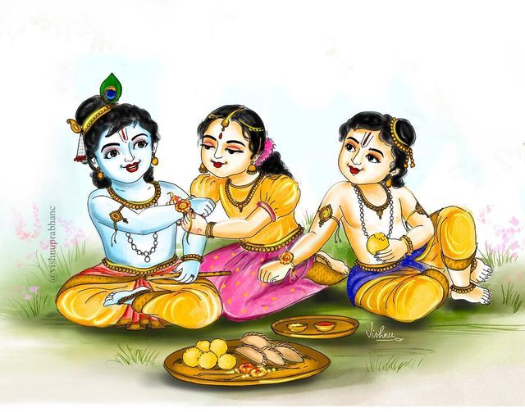

182

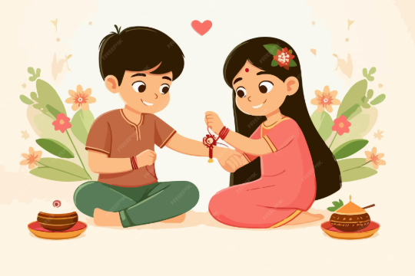

Siblings celebrated with sweets
Gifts given by Brothers
Gifts given by Brothers
Rakhi Tying Speed by Year

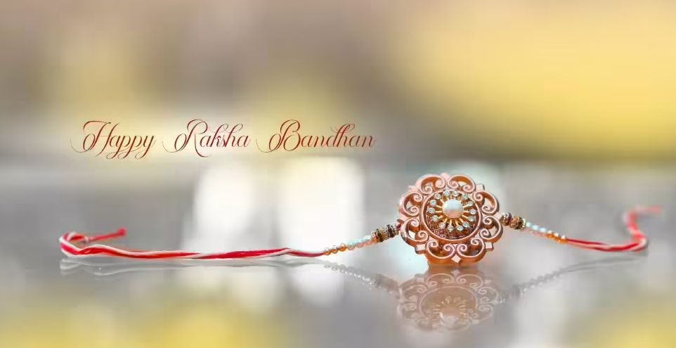

Emotions shared by brothers
Percentage by Celebration Location
Year Wise Celebration by Siblings Count

Sisters Demand For Gifts

Types of Rakhi's

Row Labels | Average of Rakhi Tying Speed (sec)
2022 | 31.719361702
2023 | 37.5945
2024 | 33.709230769
2025 | 31.998604651
Grand Total | 33.64510989

Row Labels | Percentage | Count of Sibling Pair ID2
Barfi | 11.54% | 21
Gulab Jamun | 13.19% | 24
Jalebi | 14.29% | 26
Kaju Katli | 15.93% | 29
Ladoo | 12.64% | 23
Peda | 15.93% | 29
Rasgulla | 16.48% | 30 | Rakhi Type | Count of Sibling Pair ID
Grand Total | 100.00% | 182 | Bracelet Rakhi | 23
 |  |  | Cartoon Rakhi | 11
 |  |  | Eco-friendly Rakhi | 22
 |  |  | Kundan Rakhi | 30
 |  |  | Lumba Rakhi | 22
Row Labels | Count of Sibling Pair ID |  | Silver Rakhi | 29
2022 | 47 |  | Traditional Rakhi | 24
2023 | 40 |  | Zardosi Rakhi | 21
2024 | 52 |  | Grand Total | 182
2025 | 43
Grand Total | 182

Row Labels | Count of Sibling Pair ID
Excited | 29
Grateful | 33
Happy | 25
Nervous | 34
Shocked | 36
Surprised | 25
Grand Total | 182

Row Labels | Count of Sibling Pair ID
Backpack | 22
Bluetooth Speaker | 16
Cash | 30
Chocolate Hamper | 26
Custom T-shirt | 18
Gift Card | 14
Sneakers | 17
Sweets Box | 13
Teddy Bear | 11
Wrist Watch | 15
Grand Total | 182

Row Labels | Count of Sibling Pair ID
College Hostel | 182
Grand Total | 182

Row Labels | Count of Sibling Pair ID
Books | 17
Designer Handbag | 22
Fitness Tracker | 17
Gold Ring | 19
Headphones | 20
Makeup Kit | 10
Perfume | 16
Shopping Voucher | 17
Smartphone | 21
Trip to Goa | 23
Grand Total | 182

